Gro compressor list
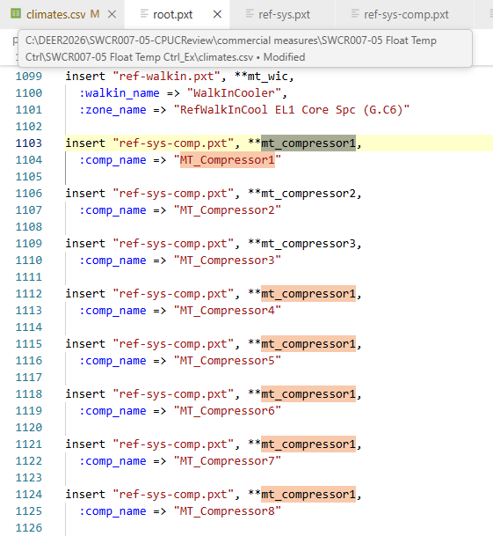
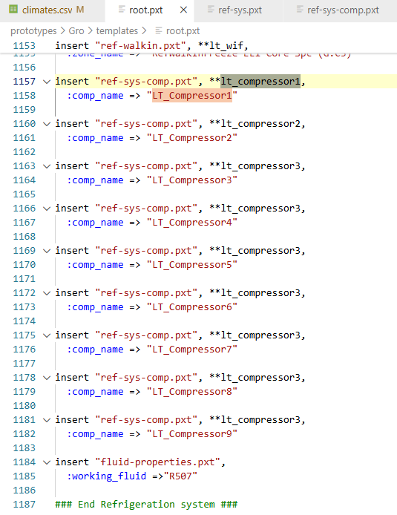
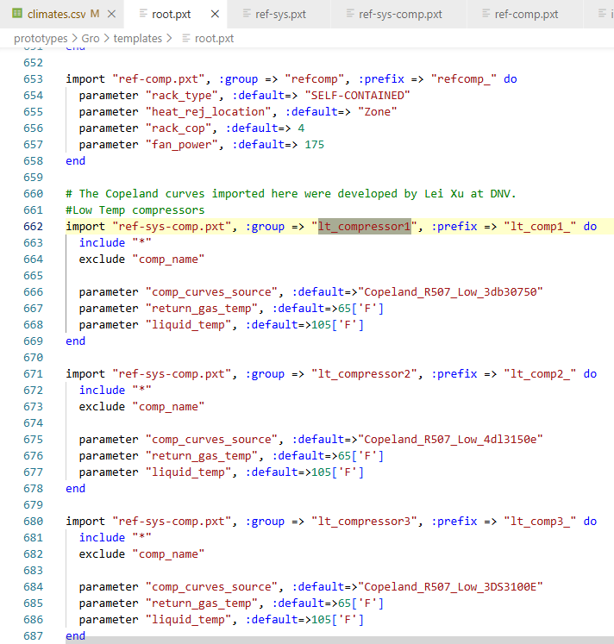
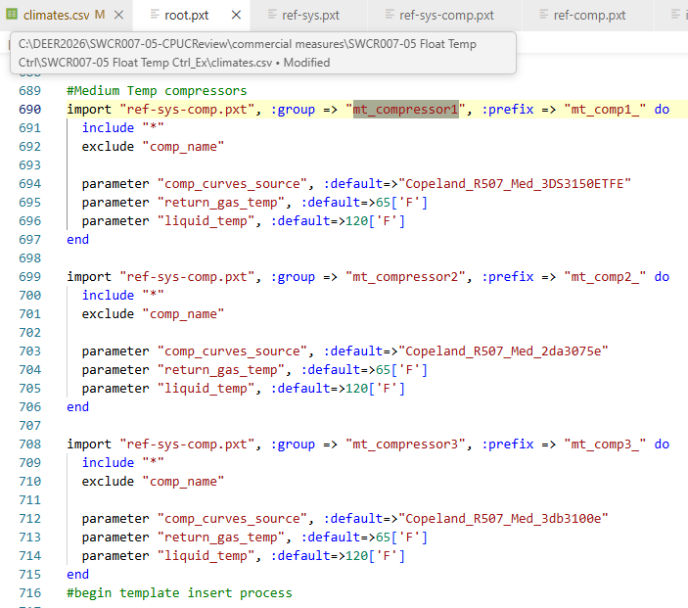
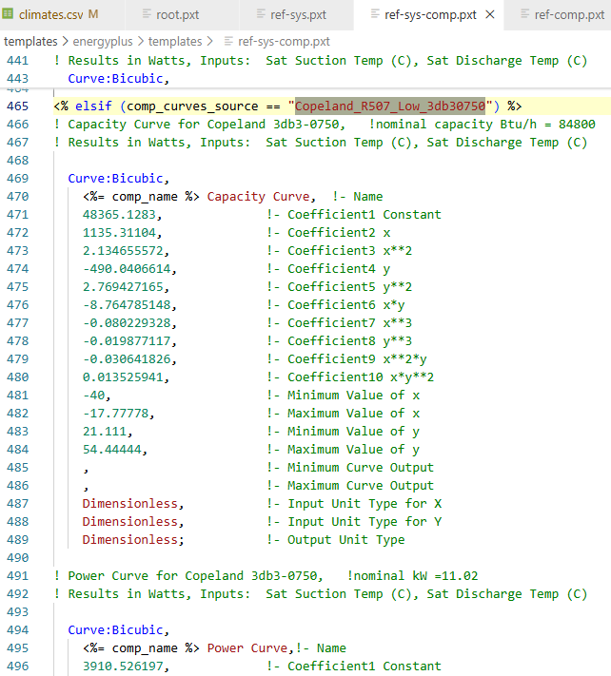
DEER Prototypes in EnergyPlus / Gro prototype refrigeration compressors |  |  |  | LT compressors mapping | MT compressors mapping | Compressor capacity per comment line
Compressor name | comp_curves_source | Compressor Capacity Curve nominal capacity (Btu/h) | Compressor capacity (tons)
LT_Compressor1 | Copeland_R507_Low_3db30750 | 84800 | 7.07
LT_Compressor2 | Copeland_R507_Low_4dl3150e | 65100 | 5.43
LT_Compressor3 | Copeland_R507_Low_3DS3100E | 84800 | 7.07
LT_Compressor4 | Copeland_R507_Low_3DS3100E | 84800 | 7.07
LT_Compressor5 | Copeland_R507_Low_3DS3100E | 84800 | 7.07
LT_Compressor6 | Copeland_R507_Low_3DS3100E | 84800 | 7.07
LT_Compressor7 | Copeland_R507_Low_3DS3100E | 84800 | 7.07
LT_Compressor8 | Copeland_R507_Low_3DS3100E | 84800 | 7.07
LT_Compressor9 | Copeland_R507_Low_3DS3100E | 84800 | 7.07
MT_Compressor1 | Copeland_R507_Med_3DS3150ETFE | 116000 | 9.67
MT_Compressor2 | Copeland_R507_Med_2da3075e | 61900 | 5.16
MT_Compressor3 | Copeland_R507_Med_3db3100e | 87300 | 7.28
MT_Compressor4 | Copeland_R507_Med_3DS3150ETFE | 116000 | 9.67
MT_Compressor5 | Copeland_R507_Med_3DS3150ETFE | 116000 | 9.67
MT_Compressor6 | Copeland_R507_Med_3DS3150ETFE | 116000 | 9.67
MT_Compressor7 | Copeland_R507_Med_3DS3150ETFE | 116000 | 9.67
MT_Compressor8 | Copeland_R507_Med_3DS3150ETFE | 116000 | 9.67
Total LT + MT |  |  | 132.39

